Job Details

Job Number & Name: | 35307 LB Bexley
Site Number/Name: | Site 1 - Blackfen Road
Client: | Waterman
Date: | 2023-04-27

Site Plan
Advanced Transport Research |  |  | Job Number & Name: | 35307 LB Bexley
Site 1 - Blackfen Road |  |  | Date: | 2023-04-27

Job Type: | Pedestrian & Vehicle Count
Co-ordinates: | 51°26'59.06"N, 0° 6'33.26"E | Postcode: | DA15 9NJ |  | Times: | 0730-0930 1430-1630

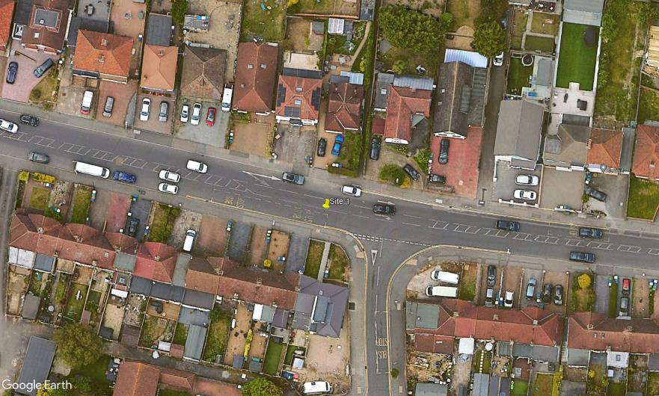
N

Blackfen Road

C
2
3
A

D
B

Ramillies Road

